Sheet1
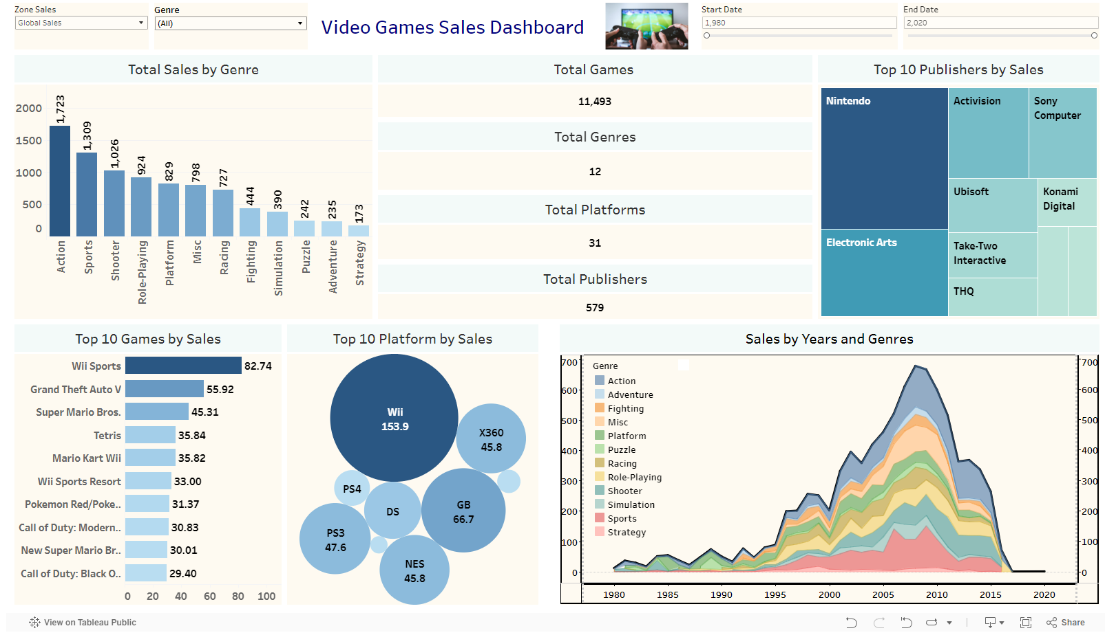
TABLEAU PUBLIC LINK | https://public.tableau.com/app/profile/sayan.de4649/viz/ZSD_VIDEO_GAMES_DASHBOARD/Dashboard?publish=yes

